Sheet2
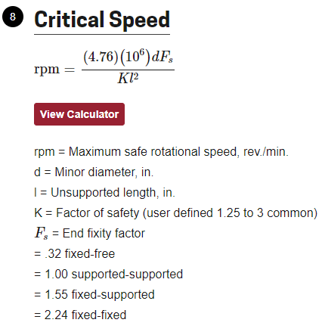
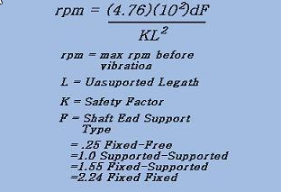
rpms =
IPM | 157.480315
 | starts | lead | RPM
 |  | 4 | 1000

Critical speed | 1333.05328 |  |  | Fixed free | 0.32
 |  |  |  | supported supported | 1
 |  |  |  | fixed -supported | 1.55
 |  |  |  | fixed fixed | 2.24

 |  |  |  | safety factor | 1.5 | can be 1-3
 |  |  |  | Unsupported length | 350
 |  |  |  | Unsupported length (in) | 13.8 | 13.77952756 | http://www.cncroutersource.com/critical-speed-calculator.html
 |  |  |  | minor shaft diameter (mm) | 6.3
 |  |  |  | minor shaft diameter (in) | 0.25 | 0.2480314961

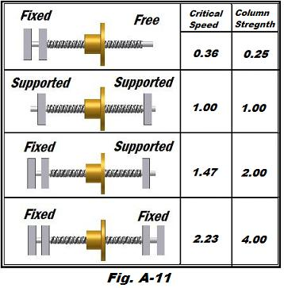

CS | 1337.017295

 |  |  |  |  | http://www.cncroutersource.com/index.html

cs | 1337.017295

 | Calculator gives | 1340

